Answers
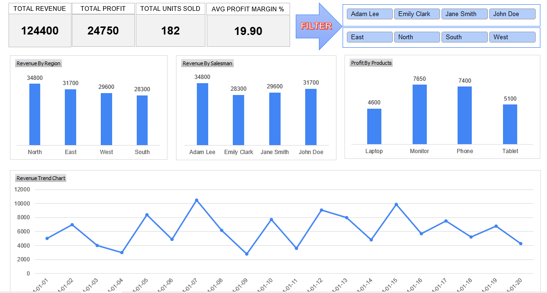
1. PivotTable Creation: Create a PivotTable to summarize total revenue per region. Which region has the highest total revenue?

Row Labels | Sum of Revenue
North | 34800 |  | North region has the highest total revenue.
East | 31700
West | 29600
South | 28300
Grand Total | 124400

2. Slicer Implementation: Add a slicer for the Salesperson column. How many unique salespersons are in the dataset?

Row Labels | Sum of Revenue
North | 34800
East | 31700
West | 29600
South | 28300
Grand Total | 124400 |  | 4 Unique salesperson are in the dataset

3. Timeline Usage: Insert a timeline for the Date column. What is the total revenue for January 2024?

Row Labels | Sum of Revenue
Jan | 124400

4. PivotChart Analysis: Create a PivotChart for Revenue by Product. Which product generates the most revenue?

Row Labels | Sum of Revenue
Monitor | 36800 |  | Monitor generates the most revenue
Phone | 36300
Tablet | 26300
Laptop | 25000
Grand Total | 124400

5. Profitability Check: Using a PivotTable, find the salesperson with the highest total profit. Who is it?

Row Labels | Sum of Profit
Adam Lee | 7100 |  | Adam Lee generates the highest total profit
John Doe | 6100
Jane Smith | 5900
Emily Clark | 5650
Grand Total | 24750

6. Discount Impact: Calculate the average discount applied per region using a PivotTable. Which region has the highest average discount?

Row Labels | Revenue_ | DiscValue_ | AvgDisc
South | 28300 | 2483 | 8.77% | Highest Average Discount = South Region
East | 31700 | 2523 | 7.96%
West | 29600 | 1571 | 5.31%
North | 34800 | 1656 | 4.76%

7. Filtering with Slicers: Apply a slicer to filter sales by Product = Laptop. What is the total revenue from laptop sales?

Row Labels | Sum of Revenue
Adam Lee | 34800
Emily Clark | 28300
Jane Smith | 29600
John Doe | 31700
Grand Total | 124400

8. Conditional Formatting: Apply conditional formatting to highlight sales where the Profit is below $1000. How many such sales are there?

Answer 8 is apllied in Sheet1, 7 such values are there.

9. Calculated Field: Create a Profit Margin % calculated field as (Profit / Revenue) * 100. What is the highest profit margin in the dataset?

Row Labels | Revenue_ | Profit_ | Profit_Margin%
Monitor
Adam Lee
2024-01-15 | 9900 | 2200 | 22.2 |  | Highest Profit Margin is from Adam Lee on Monitor 22.2%
2024-01-07 | 10500 | 2100 | 20.0
Emily Clark
2024-01-12 | 9100 | 1900 | 20.9
2024-01-04 | 3000 | 600 | 20.0
2024-01-20 | 4300 | 850 | 19.8
Phone
Jane Smith
2024-01-02 | 7000 | 1500 | 21.4
2024-01-10 | 7700 | 1600 | 20.8
2024-01-18 | 5200 | 1000 | 19.2
John Doe
2024-01-05 | 8400 | 1800 | 21.4
2024-01-13 | 8000 | 1500 | 18.8
Tablet
Adam Lee
2024-01-03 | 4000 | 800 | 20.0
2024-01-11 | 3600 | 700 | 19.4
2024-01-19 | 6800 | 1300 | 19.1
Emily Clark
2024-01-08 | 6200 | 1200 | 19.4
2024-01-16 | 5700 | 1100 | 19.3
Laptop
Jane Smith
2024-01-14 | 4800 | 900 | 18.8
2024-01-06 | 4900 | 900 | 18.4
John Doe
2024-01-01 | 5000 | 1000 | 20.0
2024-01-17 | 7500 | 1400 | 18.7
2024-01-09 | 2800 | 400 | 14.3

10. Dashboard Creation: Combine the PivotTables, PivotCharts, Slicers, and Timelines into a single interactive dashboard. Take a screenshot of your final dashboard.

Dashboard
TOTAL REVENUE
TOTAL PROFIT
TOTAL UNITS SOLD
AVG PROFIT MARGIN %
29600
5900
43
19.93
FILTER

 | Total
West | 29600
 | Total
Jane Smith | 29600
 | Total
Laptop | 1800
Phone | 4100

 | Total
2024-01-02 | 7000
2024-01-06 | 4900
2024-01-10 | 7700
2024-01-14 | 4800
2024-01-18 | 5200

